Whats Wrong
A junior analyst wrote a query to find all departments that have processed more than 500 support tickets this month. The query is throwing a syntax error and won't execute.

SELECT DepartmentName, COUNT(TicketID) AS TotalTickets FROM SupportTickets WHERE MONTH(CreatedDate) = MONTH(CURRENT_DATE()) AND COUNT(TicketID) > 500 GROUP BY DepartmentName;

Your stakeholders are looking at a Power BI dashboard comparing Regional Revenue against Monthly Targets. The Revenue numbers are perfectly accurate, but the stakeholders are complaining that the 'Monthly Target' is inflated by almost 30 times what it should be. You check the SQL query feeding the dashboard
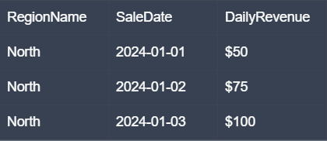
SELECT t.RegionName, SUM(s.DailyRevenue) AS TotalRevenue, SUM(t.MonthlyTargetAmount) AS TotalTarget FROM MonthlyTargets t JOIN DailySales s ON t.RegionName = s.RegionName AND MONTH(t.TargetMonth) = MONTH(s.SaleDate) GROUP BY t.RegionName;

A stakeholder wants a report showing only the most recent status update for every active project. The pipeline fails what is the fix?

SELECT ProjectID, StatusUpdate, UpdateDate, ROW_NUMBER() OVER(PARTITION BY ProjectID ORDER BY UpdateDate DESC) as rn FROM ProjectLogs WHERE IsActive = 1 AND rn = 1;

Query Building
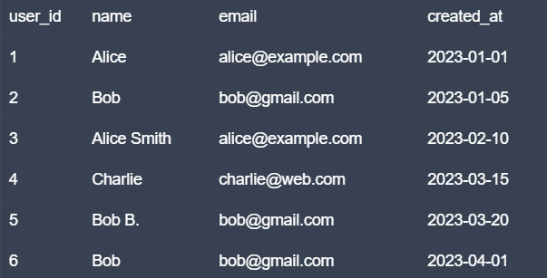

1) Using the provided users table, write a query to find all email addresses that appear more than once. The output should show the email and the number of times it occurs.

2) Now that you have the list of duplicate emails, how would you retrieve the full records (all columns) for every row associated with those specific emails?

3) We want to clean this data. For every duplicate email, we need to keep only the original record (the one with the earliest created_at date) and identify the others for deletion. How would you write a query to list only the 'extra' records?

